Dashboard
Portfolio Performance Dashboard

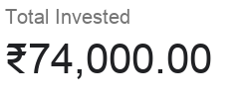
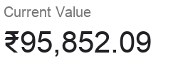
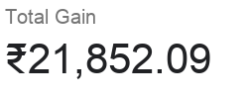
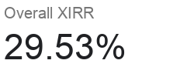

Asset Allocation
Fund Name | ₹0.00
Nippon India Small Cap Fund | ₹14,975.12
SBI Small Cap Fund | ₹22,486.39
Axis Midcap Fund | ₹13,587.30
HDFC Index Fund - Nifty 50 Plan | ₹11,662.05
ICICI Prudential Bluechip Fund | ₹17,805.49
Parag Parikh Flexi Cap Fund | ₹15,335.74
 | Fund Name | Invested | Current Value | Unrealized Gain | XIRR
 | Nippon India Small Cap Fund | ₹10,000.00 | ₹14,975.12 | ₹4,975.12 | 49.75%
 | SBI Small Cap Fund | ₹15,000.00 | ₹22,486.39 | ₹7,486.39 | 49.91%
 | Axis Midcap Fund | ₹12,000.00 | ₹13,587.30 | ₹1,587.30 | 13.23%
 | HDFC Index Fund - Nifty 50 Plan | ₹10,000.00 | ₹11,662.05 | ₹1,662.05 | 16.62%
 | ICICI Prudential Bluechip Fund | ₹15,000.00 | ₹17,805.49 | ₹2,805.49 | 18.70%
 | Parag Parikh Flexi Cap Fund | ₹12,000.00 | ₹15,335.74 | ₹3,335.74 | 27.80%

